FCFS_Waiting_Time
Waiting Time for FCFS
Workload |  |  | Execution Time
N1 | N2 | N3 | C1 | C2 | C3 | Average WT
50 | 50 | 50 | 0 | 0.000186 | 0.000281 | 0.00015566666667
100 | 100 | 100 | 0 | 0.000147 | 0.000231 | 0.000126000
200 | 200 | 200 | 0 | 0.000069 | 0.000137 | 6.8666666667E-05
400 | 400 | 400 | 0 | 0.000079 | 0.000113 | 0.000064000
800 | 800 | 800 | 0 | 0.000122 | 0.000208 | 0.000110000
1600 | 1600 | 1600 | 0 | 0.000108 | 0.000159 | 0.000089000
3200 | 3200 | 3200 | 0 | 0.000115 | 0.000213 | 0.00010933333333
6400 | 6400 | 6400 | 0 | 0.000124 | 0.000229 | 0.00011766666667
12800 | 12800 | 12800 | 0 | 0.000091 | 0.000148 | 7.9666666667E-05
25600 | 25600 | 25600 | 0 | 0.000107 | 0.000208 | 0.000105000
51200 | 51200 | 51200 | 0 | 0.000076 | 0.000125 | 0.000067000
102400 | 102400 | 102400 | 0 | 0.00095 | 0.00194 | 0.00096333333333
204800 | 204800 | 204800 | 0 | 0.000153 | 0.000262 | 0.00013833333333
409600 | 409600 | 409600 | 0 | 0.00004 | 0.000116 | 0.000052000
819200 | 819200 | 819200 | 0 | 0.000208 | 0.000275 | 0.000161000
1000000 | 1000000 | 1000000 | 0 | 0.000047 | 0.000162 | 6.96667E-05
Average |  |  | 0 | 0.000163875 | 0.0003004375 | 0.00015477083333

FCFS_TAT
Turn Around Time for FCFS
Workload |  |  | Execution Time
N1 | N2 | N3 | C1 | C2 | C3 | C3 * 10^6 | Average TAT
50 | 50 | 50 | 0.000186 | 0.000281 | 0.00044 |  | 0.00030233333333
100 | 100 | 100 | 0.000147 | 0.000231 | 0.000304 |  | 0.00022733333333
200 | 200 | 200 | 0.000069 | 0.000137 | 0.000166 |  | 0.000124000
400 | 400 | 400 | 0.000079 | 0.000113 | 0.000219 |  | 0.000137000
800 | 800 | 800 | 0.000122 | 0.000208 | 0.000272 |  | 0.00020066666667
1600 | 1600 | 1600 | 0.000108 | 0.000159 | 0.000254 |  | 0.00017366666667
3200 | 3200 | 3200 | 0.000115 | 0.000213 | 0.000322 |  | 0.00021666666667
6400 | 6400 | 6400 | 0.000124 | 0.000229 | 0.000375 |  | 0.00024266666667
12800 | 12800 | 12800 | 0.000091 | 0.000148 | 0.000191 |  | 0.00014333333333
25600 | 25600 | 25600 | 0.000107 | 0.000208 | 0.000258 | 258 | 0.000191000
51200 | 51200 | 51200 | 0.000076 | 0.000125 | 0.000167 | 167 | 0.00012266666667
102400 | 102400 | 102400 | 0.00095 | 0.00194 | 0.000258 | 258 | 0.0010493333333
204800 | 204800 | 204800 | 0.000153 | 0.000262 | 0.000393 | 393 | 0.00026933333333
409600 | 409600 | 409600 | 0.00004 | 0.000116 | 0.000216 | 216 | 0.000124000
819200 | 819200 | 819200 | 0.000208 | 0.000275 | 0.000318 | 318 | 0.000267000
1000000 | 1000000 | 1000000 | 0.000047 | 0.000162 | 0.000186 | 186 | 0.00013166666667
Average |  |  | 0.000163875 | 0.0003004375 | 0.0002711875 |  | 0.00024516666667

RR_Waiting Time_500
Waiting Time for Round Robin - time quanta = 500
Workload |  |  | Execution Time
N1 | N2 | N3 | C1 | C2 | C3 | C1 * 10^6 | C3 * 10^6 | C3 * 10^6 | Average WT
50 | 50 | 50 | 0.000392 | 0.000889 | 0.001393 | 392 | 889 | 1393 | 0.00089133333333
100 | 100 | 100 | 0.000405 | 0.000929 | 0.001431 | 405 | 929 | 1431 | 0.00092166666667
200 | 200 | 200 | 0.000362 | 0.000933 | 0.001366 | 362 | 933 | 1366 | 0.000887
400 | 400 | 400 | 0.000396 | 0.000917 | 0.00123 | 396 | 917 | 1230 | 0.00084766666667
800 | 800 | 800 | 0.000331 | 0.000903 | 0.001434 | 331 | 903 | 1434 | 0.00088933333333
1600 | 1600 | 1600 | 0.000379 | 0.000957 | 0.001353 | 379 | 957 | 1353 | 0.00089633333333
3200 | 3200 | 3200 | 0.000357 | 0.000893 | 0.001452 | 357 | 893 | 1452 | 0.00090066666667
6400 | 6400 | 6400 | 0.000383 | 0.000901 | 0.001421 | 383 | 901 | 1421 | 0.00090166666667
12800 | 12800 | 12800 | 0.000328 | 0.000935 | 0.001344 | 328 | 935 | 1344 | 0.000869
25600 | 25600 | 25600 | 0.000366 | 0.000916 | 0.001422 | 366 | 916 | 1422 | 0.00090133333333
51200 | 51200 | 51200 | 0.000363 | 0.000916 | 0.00135 | 363 | 916 | 1350 | 0.00087633333333
102400 | 102400 | 102400 | 0.000412 | 0.000927 | 0.001438 | 412 | 927 | 1438 | 0.00092566666667
204800 | 204800 | 204800 | 0.000347 | 0.000919 | 0.001444 | 347 | 919 | 1444 | 0.00090333333333
409600 | 409600 | 409600 | 0.000269 | 0.001276 | 0.001319 | 269 | 1276 | 1319 | 0.00095466666667
819200 | 819200 | 819200 | 0.001183 | 0.002356 | 0.002396 | 1183 | 2356 | 2396 | 0.0019783333333
1000000 | 1000000 | 1000000 | 0.000019 | 0.001497 | 0.001098 | 19 | 1497 | 1098 | 0.00087133333333
Average |  |  | 0.00039325 | 0.0010665 | 0.0014306875

RR_TAT_500
Turn Around Time for Round Robin - time quanta = 500
Workload |  |  | Execution Time
N1 | N2 | N3 | C1 | C2 | C3 | Average TAT
50 | 50 | 50 | 0.0005 | 0.001 | 0.0015 | 0.001
100 | 100 | 100 | 0.0005 | 0.001 | 0.0015 | 0.001
200 | 200 | 200 | 0.0005 | 0.001 | 0.0015 | 0.001
400 | 400 | 400 | 0.0005 | 0.001 | 0.0015 | 0.001
800 | 800 | 800 | 0.0005 | 0.001 | 0.0015 | 0.001
1600 | 1600 | 1600 | 0.0005 | 0.001 | 0.0015 | 0.001
3200 | 3200 | 3200 | 0.0005 | 0.001 | 0.0015 | 0.001
6400 | 6400 | 6400 | 0.0005 | 0.001 | 0.0015 | 0.001
12800 | 12800 | 12800 | 0.0005 | 0.001 | 0.0015 | 0.001
25600 | 25600 | 25600 | 0.0005 | 0.001 | 0.0015 | 0.001
51200 | 51200 | 51200 | 0.0005 | 0.001 | 0.0015 | 0.001
102400 | 102400 | 102400 | 0.0005 | 0.001 | 0.0015 | 0.001
204800 | 204800 | 204800 | 0.0005 | 0.001 | 0.0015 | 0.001
409600 | 409600 | 409600 | 0.0005 | 0.001 | 0.0015 | 0.001
819200 | 819200 | 819200 | 0.0005 | 0.001 | 0.0015 | 0.001
1000000 | 1000000 | 1000000 | 0.0005 | 0.001 | 0.0015 | 0.001
Average |  |  | 0.0005 | 0.001 | 0.0015 | 0.001

RR_Waiting_Time_100
Waiting Time for Round Robin - time quanta = 500
Workload |  |  | Execution Time
N1 | N2 | N3 | C1 | C2 | C3 | C1 * 10^6 | C3 * 10^6 | C3 * 10^6 | Average WT
50 | 50 | 50 | 0.000367 | 0.000394 | 0.000202 | 367 | 394 | 202 | 0.000321
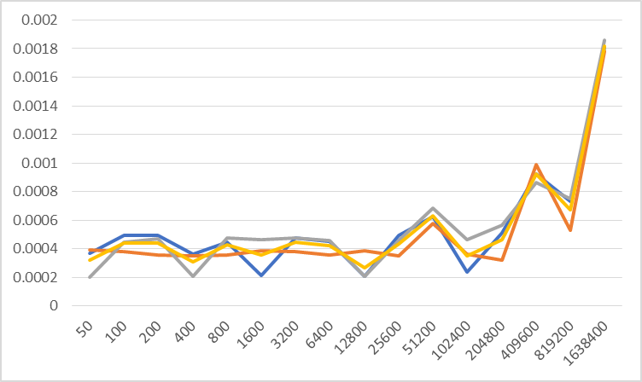
100 | 100 | 100 | 0.000491 | 0.000381 | 0.000445 | 491 | 381 | 445 | 0.000439
200 | 200 | 200 | 0.000491 | 0.000356 | 0.000471 | 491 | 356 | 471 | 0.00043933333333
400 | 400 | 400 | 0.000363 | 0.000352 | 0.000205 | 363 | 352 | 205 | 0.00030666666667
800 | 800 | 800 | 0.000447 | 0.000358 | 0.000475 | 447 | 358 | 475 | 0.00042666666667
1600 | 1600 | 1600 | 0.000216 | 0.000385 | 0.000466 | 216 | 385 | 466 | 0.00035566666667
3200 | 3200 | 3200 | 0.000475 | 0.000378 | 0.000478 | 475 | 378 | 478 | 0.00044366666667
6400 | 6400 | 6400 | 0.00045 | 0.000356 | 0.000457 | 450 | 356 | 457 | 0.000421
12800 | 12800 | 12800 | 0.000209 | 0.000387 | 0.000208 | 209 | 387 | 208 | 0.000268
25600 | 25600 | 25600 | 0.000495 | 0.000353 | 0.000459 | 495 | 353 | 459 | 0.00043566666667
51200 | 51200 | 51200 | 0.000625 | 0.000575 | 0.000684 | 625 | 575 | 684 | 0.000628
102400 | 102400 | 102400 | 0.000235 | 0.00036 | 0.000465 | 235 | 360 | 465 | 0.00035333333333
204800 | 204800 | 204800 | 0.000511 | 0.000322 | 0.000563 | 511 | 322 | 563 | 0.00046533333333
409600 | 409600 | 409600 | 0.000922 | 0.000988 | 0.000861 | 922 | 988 | 861 | 0.00092366666667
819200 | 819200 | 819200 | 0.00073 | 0.000531 | 0.000748 | 730 | 531 | 748 | 0.00066966666667
1000000 | 1000000 | 1000000 | 0.001812 | 0.001784 | 0.001861 | 1812 | 1784 | 1861 | 0.001819
Average |  |  | 0.0005524375 | 0.00051625 | 0.0005655

RR_TAT_100
Turn AroundTime for Round Robin - time quanta = 500
Workload |  |  | Execution Time
N1 | N2 | N3 | C1 | C2 | C3 | C1 * 10^6 | C3 * 10^6 | C3 * 10^6 | Average TAT
50 | 50 | 50 | 0.0006 | 0.0005 | 0.0003 | 600 | 500 | 300 | 0.00046666666667
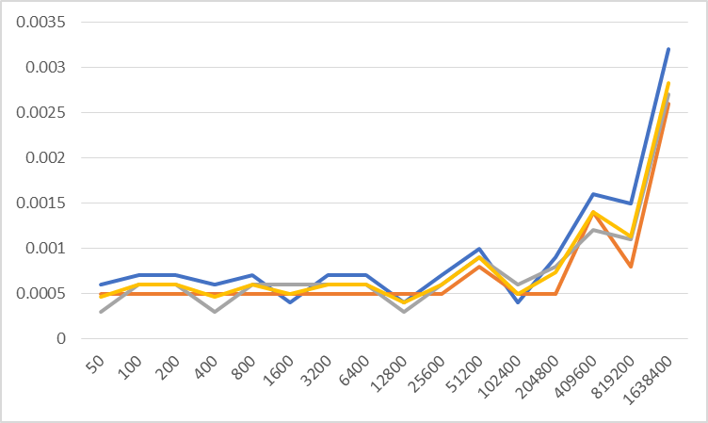
100 | 100 | 100 | 0.0007 | 0.0005 | 0.0006 | 700 | 500 | 600 | 0.0006
200 | 200 | 200 | 0.0007 | 0.0005 | 0.0006 | 700 | 500 | 600 | 0.0006
400 | 400 | 400 | 0.0006 | 0.0005 | 0.0003 | 600 | 500 | 300 | 0.00046666666667
800 | 800 | 800 | 0.0007 | 0.0005 | 0.0006 | 700 | 500 | 600 | 0.0006
1600 | 1600 | 1600 | 0.0004 | 0.0005 | 0.0006 | 400 | 500 | 600 | 0.0005
3200 | 3200 | 3200 | 0.0007 | 0.0005 | 0.0006 | 700 | 500 | 600 | 0.0006
6400 | 6400 | 6400 | 0.0007 | 0.0005 | 0.0006 | 700 | 500 | 600 | 0.0006
12800 | 12800 | 12800 | 0.0004 | 0.0005 | 0.0003 | 400 | 500 | 300 | 0.0004
25600 | 25600 | 25600 | 0.0007 | 0.0005 | 0.0006 | 700 | 500 | 600 | 0.0006
51200 | 51200 | 51200 | 0.001 | 0.0008 | 0.0009 | 1000 | 800 | 900 | 0.0009
102400 | 102400 | 102400 | 0.0004 | 0.0005 | 0.0006 | 400 | 500 | 600 | 0.0005
204800 | 204800 | 204800 | 0.0009 | 0.0005 | 0.0008 | 900 | 500 | 800 | 0.00073333333333
409600 | 409600 | 409600 | 0.0016 | 0.0014 | 0.0012 | 1600 | 1400 | 1200 | 0.0014
819200 | 819200 | 819200 | 0.0015 | 0.0008 | 0.0011 | 1500 | 800 | 1100 | 0.0011333333333
1000000 | 1000000 | 1000000 | 0.0032 | 0.0026 | 0.0027 | 3200 | 2600 | 2700 | 0.0028333333333
Average |  |  | 0.000925 | 0.000725 | 0.000775

